1.Hyper Param for SVC
▣HYPER PARAMETER FOR SUPPORT VECTOR CLASSIFIERS (SVC) + GRID SEARCH CV |  | REFERENCE

 |  | ⇰REFERENCE (Website)-->Scikit Learn Regarding Thereotical & Conceptual Understanding of SVC (Support Vector Classifiers) | ⇰REFERENCE (Website)-->Udemy Regarding Practical & Conceptual Understanding of SVC (Support Vector Classifiers)

IMPERATIVE / FUNDAMENTAL HYPER PARAMETER FOR MODEL

⇰"C"float, default=1.0 |  | ⇰REFERENCE (Website)-->Analytics Vidhya Regarding Thereotical & Conceptual Understanding of Linear Kernel (Support Vector Machine)
∎HOW TO WIDEN OR SHORTEN MARGIN THRESHOLDS IN (SUPPORT VECTOR CLASSIFIERS BY PARAMETER => 'C')

❶The margin widens as the budget for misclassification increases, while the margin narrows as the budget decreases.While building the model, we use a hyperparameter called “Cost”. Here Cost is inverse of budget means when the budget increases —> Cost decreases and vice versa. It is denoted by “C”. ❷The influence of C’s value on the margin is depicted in the diagram below. When the value is small, for example, C=1, the margin widens, while when the value is high, the margin narrows down. | 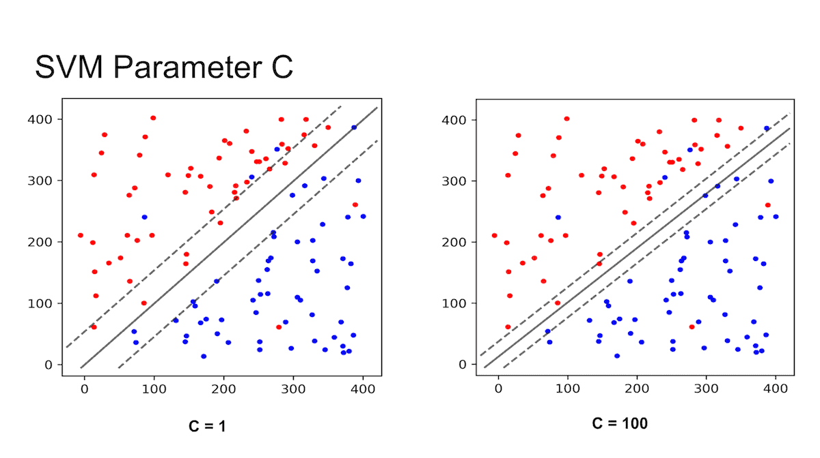

 |  | ⇰REFERENCE (Website)-->Geeks for Geeks Regarding Thereotical & Conceptual Understanding of Linear Kernel (Support Vector Machine)

 |  | ⇰REFERENCE (Website)-->Scikit learn Regarding Thereorical & Practical Implementation Regarding Parameter 'C' & 'Gamma' | ⇰REFERENCE (User Guide)-->Sckit Learn Regarding Thereotical & Conceptual Understanding of Hyper Parameter=> 'C' & It's Impact on Noisy Observation & Reflection of Underfitting Vs Overfitting
❸C is 1 by default and it’s a reasonable default choice. If you have a lot of noisy observations you should decrease it: decreasing C corresponds to more regularization. LinearSVC and LinearSVR are less sensitive to C when it becomes large, and prediction results stop improving after a certain threshold. Meanwhile, larger C values will take more time to train, sometimes up to 10 times longer.

⇰While on The Other Hand Hyper Parameter 'C' is More to Do with OverFitting Vs Underfitting , Neither overfitted in terms of (Overfitting of Training Data Overfiting Yield complexity which resultant model not ready for Test Data) ( nor Underfitted so there is error prediction)

⇰degree:int, default=3
⇰degree:int or tuple (min_degree, max_degree), default=2 ❶Degree of the polynomial kernel function (‘poly’). Must be non-negative. Ignored by all other kernels. ❷Basically in Simple Word Means degree is just to what order do you want to take the polynomial? As you can imagine, if you say degree is equal to two (degree=2), that means you'll also consider the squared terms of your features .So TV spend squared [X1]², Radio spend squared [X2]² and newspaper spend squared [X3]².

 |  | ⇰REFERENCE (You Tube)-->Visually Explained Regarding Practical & Conceptual Understanding of Kernel Trick in Support Vector Machine (SVM)

⇰kernel{‘linear’, ‘poly’, ‘rbf’, ‘sigmoid’, ‘precomputed’} or callable, default=’rbf’
❶Specifies the kernel type to be used in the algorithm. If none is given, ‘rbf’ will be used. If a callable is given it is used to pre-compute the kernel matrix from data matrices; that matrix should be an array of shape (n_samples, n_samples).

⇰gamma{‘scale’, ‘auto’} or float, default=’scale’ |  | ⇰REFERENCE (Website)-->Scikit learn Regarding Thereorical & Practical Implementation Regarding Parameter 'C' & 'Gamma'
❶Kernel coefficient for ‘rbf’, ‘poly’ and ‘sigmoid’. ∎If gamma='scale' (default) is passed then it uses 1 / (n_features * X.var()) as value of gamma. ∎If ‘auto’, uses 1 / n_features (So maybe if you want to start your own floating point values, you can range those floating point values around this calculation 1 / n_features) ∎If 'float', must be non-negative.

❷Gamma is a hyperparameter used with non-linear SVM. One of the most commonly used non-linear kernels is the radial basis function (RBF). Gamma parameter of RBF controls the distance of the influence of a single training point.
 |  | ⇰REFERENCE (Website)-->Scikit Learn Regarding Thereotical & Conceptual Understanding of SVC (Support Vector Classifiers)

❸Intuitively, the gamma parameter defines how far the influence of a single training example reaches, with low values meaning ‘far’ and high values meaning ‘close’. The gamma parameters can be seen as the inverse of the radius of influence of samples selected by the model as support vectors.

❹What happen if Gamma value turn out to be extreme(High) = Extreme(High Value of Gamma) That Margin is picking up tons of Information Essentially Overfitting Your Data That 's what happen when gamma increases more & more influence per support vector increases.

 |  | ⇰REFERENCE (Website)-->Udemy Regarding Practical & Conceptual Understanding of SVC (Support Vector Classifiers)
❺GAMMA--> SCALE VALUES IS MOST APPROPRIATE BECAUSE OF IT'S BALANCED APPROACH IN REGARDS TO BIAS -VARIANCE TRADEOFF IT's neither overfitted in terms of (poly - where degree is increased alongwith the complexity ) nor underfitted so there is error prediction. that's why of BIAS - VARIANCE TRADEOFF (see below image) At GAMMA= AUTO THERE IS LOT MORE NOISE IS INVOLVED & LOT MORE OVERFITTING WHICH YIELD WRONG PREDICTION ON THE OTHER HAND IN GAMMA = SCALE It is at perfect point where there is not much overfitting neither underfitting .

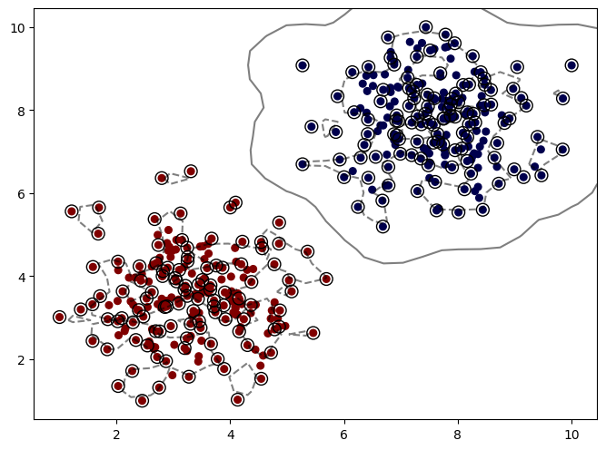 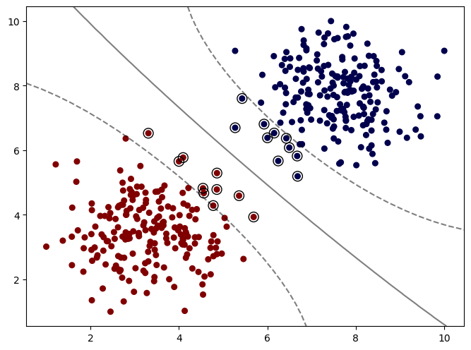 |  | ⇰REFERENCE (Excel Sheet)-->2.8(ii) Excel Sheet Regarding Thereotical & Practical Implementation of Gamma Parameter for SVC (Support Vector Classifier Model)

▣ SUPPORTING HYPER PARAMETER FOR MODEL

⇰class_weight:dict or ‘balanced’, default=None ❶Weights associated with classes in the form {class_label: weight}. If not given, all classes are supposed to have weight one.The “balanced” mode uses the values of y to automatically adjust weights inversely proportional to class frequencies in the input data as n_samples / (n_classes * np.bincount(y)). ❷In SVC, if the data is unbalanced (e.g. many positive and few negative), set class_weight='balanced' and/or try different penalty parameters C.
 |  | ⇰REFERENCE (Website)-->Scikit Learn Regarding Thereotical & Conceptual Understanding of Class Weights (Unbalanced Problems) | ⇰REFERENCE (User Guide)-->Sckit Learn Regarding Thereotical & Conceptual Understanding of Hyper Parameter : Class Weights in User Guide Scikit Learn)

❸In problems where it is desired to give more importance to certain classes or certain individual samples, the parameters class_weight and sample_weight can be used.

⇰max_iterint, default=-1
❶Hard limit on iterations within solver, or -1 for no limit. ❷The maximum number of iterations. ❸(You see here there is a convergence warning WARNING BELOW ↓) It's essentially saying that that stochastic search for the best alpha value never actually converged & 2nd Method for Elimination for Convergence Warning is --> it's essentially only allowing this stochastic search for the best alpha (α) value to run 1000 times.That means if we increase the maximum possible of iterations (max_iter), we can increase the likelihood that it converges.So let's go ahead and try that and see if it fixes the issue.So by default, it's 1000.Let's go ahead and make it way higher just to see if that gets rid of this warning, to make sure our understanding of the warning is correct. |  | ⇰REFERENCE (Website)-->Stackoverflow Regarding Thereotical & Practical Implementation of Param Max_iter( )

 |  | ⇰REFERENCE (Website)-->Analytics Vidhya Regarding Thereotical & Conceptual Understanding of Linear Kernel (Support Vector Machine)

 |  | ⇰REFERENCE (Website)-->Geeks for Geeks Regarding Thereotical & Conceptual Understanding of Linear Kernel (Support Vector Machine)

⇰tol:float, default=1e-4,(It is scientific notation. It means 1 × 10−4. In other words, 0.0001) ❶The tolerance for the optimization: if the updates are smaller than tol, the optimization code checks the dual gap for optimality and continues until it is smaller than tol. ❷Basically in Simple Words As you noted, tol is the tolerance for the stopping criteria. This tells scikit to stop searching for a minimum (or maximum) once some tolerance (convergence) is achieved, i.e. once you're close enough. tol will change depending on the objective function being minimized and the algorithm they use to find the minimum, and thus will depend on the model you are fitting. There is no universal tolerance to scikit.

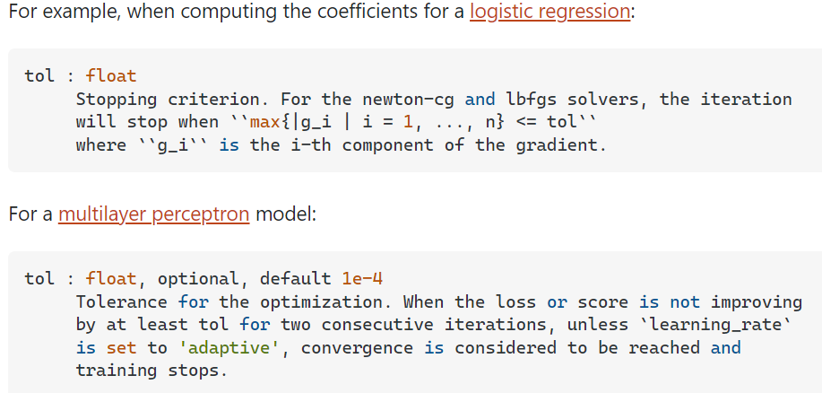 |  | ⇰REFERENCE (Website)-->Stack Exchange Regarding What exactly is tol (tolerance) used as stopping criteria in sklearn models?

 |  | ⇰REFERENCE (Website)-->Udemy Regarding Practical & Conceptual Understanding of SVC (Support Vector Classifiers)

⇒On a very high level, many machine learning task can be formulated into a "iterative process" to get all the parameters in the model, but when should we stop the iteration? There are different ways to stop. ❶Limit number of iterations ❷Check if the parameters converge (do not change over iterations) ❸Check some other metrics (such as gradient, gap be beteween primal and dual) ❹Many more When we do checking, tol can be used.

⇰verbose:bool or int, default=False ❶Amount of verbosity ❷Verbosity level is related just to logging. In unit tests you find it for the logging of the information. ❸These levels decide the amount of information you will get. For example setting the level to ERROR for running unit tests will display only the cases for which the unit tests failed. Setting it to DEBUG will give you more (the most in fact) info such as what were the values of the variables (in assert statements etc).It is more useful in cases where your program has different levels of logging and you want your users to see different levels of info. For eg. usually you don't want the users to see details of internals, apart from fatal errors. So users will be running the program in FATAL or CRITICAL mode. But when some error occurs you will need such details. ❹The verbosity level: if non zero, progress messages are printed. Above 50, the output is sent to standout. The frequency of the messages increases with the verbosity level. If it more than 10, all iterations are reported. ❻By setting verbose 0, 1 or 2 y |  | ⇰REFERENCE (Website)-->Stackoverflow Regarding Conceptual & Thereotical Info Regarding ('What is verbosity level exactly in python?') (difference between each level)

 |  | ⇰REFERENCE (Website)-->Scikit Learn Regarding Thereotical & Conceptual Understanding of Randomized Search CV

 |  | ⇰REFERENCE (Website)-->Stackoverflow Regarding Conceptual & Thereotical Info Regarding ('What is verbosity level exactly in python?') (difference between each level)

 |  | ⇰REFERENCE (Website)-->Scikit Learn Regarding Thereotical & Conceptual Understanding of Randomized Search CV

⇰probability:bool, default=False ❶Whether to enable probability estimates This must be enabled prior to calling fit, will slow down that method as it internally uses 5-fold cross-validation, and predict_proba may be inconsistent with predict. ❷Basically in Simple Words to Enable Methods of SVC that is predict.log_proba( ) we need to put probability=True Otherwise by Default it is False That's why this Param (Probability) is added in Grid Search CV. |  | ⇰REFERENCE (Website)-->Scikit Learn Regarding Thereotical & Conceptual Understanding of SVC (Support Vector Classifiers)

⇰cache_size:float, default=200 ❶Specify the size of the kernel cache (in MB). ❷Kernel cache size:For SVC, SVR, NuSVC and NuSVR, the size of the kernel cache has a strong impact on run times for larger problems. If you have enough RAM available, it is recommended to set cache_size to a higher value than the default of 200(MB), such as 500(MB) or 1000(MB). |  | ⇰REFERENCE (User Guide)-->Sckit Learn Regarding Thereotical & Conceptual Understanding of Hyper Parameter=> 'C' & It's Impact on Noisy Observation & Reflection of Underfitting Vs Overfitting

⇰random_state:int, RandomState instance or None, default=None ❶Controls the pseudo random number generation for shuffling the data for probability estimates. Ignored when probability is False.

⇰shrinking:bool, default=True ❶Whether to use the shrinking heuristic. ❷Basically in Simple Words Regarding the shrinking parameter, quoting [12]: We found that if the number of iterations is large, then shrinking can shorten the training time. However, if we loosely solve the optimization problem (e.g., by using a large stopping tolerance), the code without using shrinking may be much faster |  | ⇰REFERENCE (User Guide)-->Sckit Learn Regarding Thereotical & Conceptual Understanding of Hyper Parameter : Shrinking in User Guide Scikit Learn)

⇰decision_function_shape:{‘ovo’, ‘ovr’}, default=’ovr’ ❶Whether to return a one-vs-rest (‘ovr’) decision function of shape (n_samples, n_classes) as all other classifiers, or the original one-vs-one (‘ovo’) decision function of libsvm which has shape (n_samples, n_classes * (n_classes - 1) / 2). However, note that internally, one-vs-one (‘ovo’) is always used as a multi-class strategy to train models; an ovr matrix is only constructed from the ovo matrix. While one-vs-rest (‘ovr’) is used for Binary Classification (Binary Classes DataSet)

 |  | ⇰REFERENCE (Website)-->1.9 (iv) Google Colab (Support Vector Classifier) Regarding Thereotical & Conceptual Understanding of SVC (Support Vector Classifiers) +With (Grid Search CV)

2.Methods of SVC
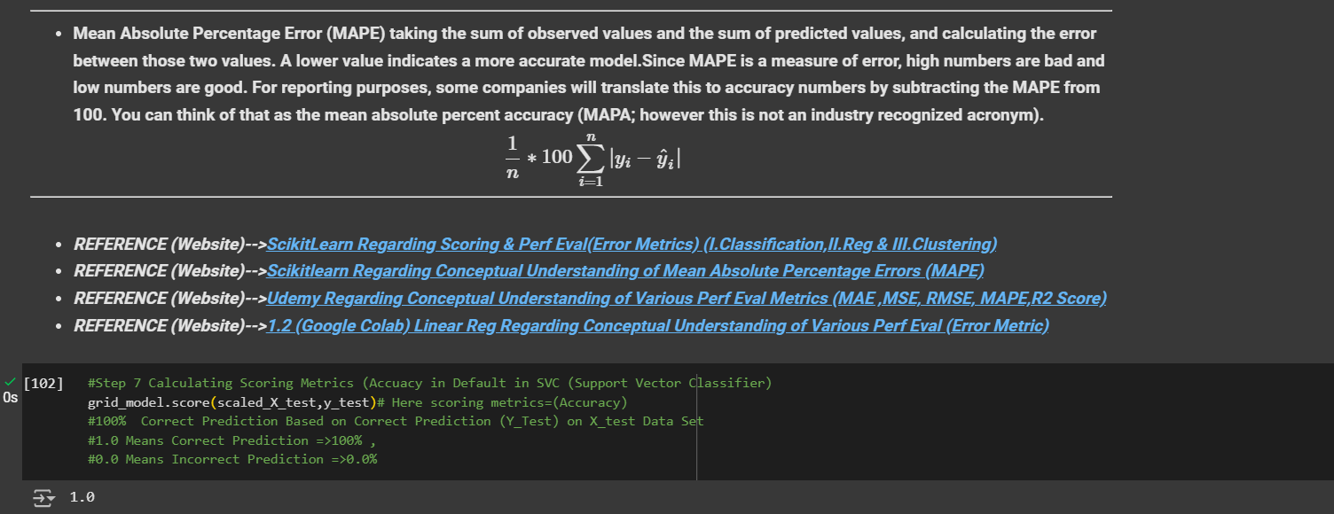
▣ METHODS FOR SUPPORT VECTOR CLASSIFIER |  |  | REFERENCE

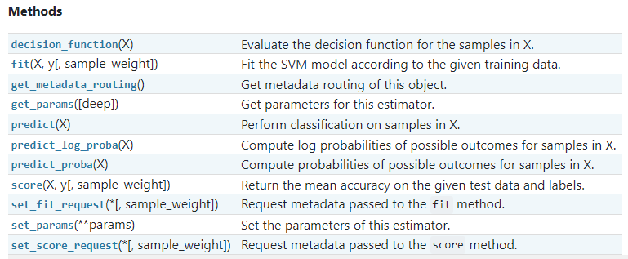 |  |  | ⇰REFERENCE (Website)-->Scikit Learn Regarding Theroetical & Conceptual Understanding of Various Methods for Support Vector Classifiers (SVC)

 |  |  | ⇰REFERENCE (Website)-->Udemy Regarding Practical & Conceptual Understanding of SVC (Support Vector Classifiers)

⇰fit(X, y, sample_weight=None) ❶Run fit with all sets of parameters (Fitting SVM Model according to Given Training Data)

 |  |  | ⇰REFERENCE (Website)-->1.9(iv) Google Colab SVC (Support Vector Classifier) With Grid Search CV Regarding Practical Implementation of (Fit_methods of SVC) | ⇰REFERENCE (Website)-->Udemy Regarding Practical & Conceptual Understanding of SVC (Support Vector Classifiers)

 |  |  | ⇰REFERENCE (Website)-->Stackoverflow Regarding Thereotical & Practical Implementation of Imperative Methods of Logistic Regression (predict, predict_proba, predict_log_proba)

⇰predict(X) ❶Transform the data, and apply predict with the final estimator. ❶ Call predict on the estimator (Basically model) with the best found parameters which is Selected By Grid Search CV. Only available if refit=True and the underlying estimator supports predict.

 |  |  | ⇰REFERENCE (Website)-->1.9(iv) Google Colab (Support Vector Classifier) (SVC) With Grid Search CV Regarding Practical Implementation (predict_methods of Support Vector Classifier (SVC))

⇰predict_log_proba(X) ❶Predict logarithm of probability estimates.The returned estimates for all classes are ordered by the label of classes.

❷ Basically in Other word All the Probability Estimates in the form of p .. probability lie in (Between 0 & 1) will be converted into logarithm scale value by this formula as we had done in Copy Or in Practicals.Pl see Given Figure (Fig in 1.7 (Excel) Thereotical Logistic Regression ) |  |  | ⇰REFERENCE (Website)-->Udemy Regarding Practical & Conceptual Understanding of SVC (Support Vector Classifiers)

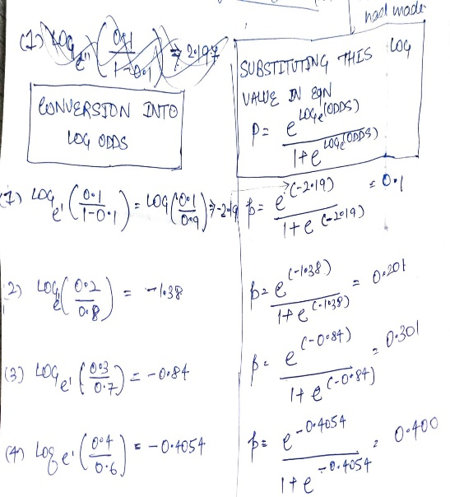

 |  |  | ⇰REFERENCE (Website)-->Udemy Regarding Practical & Conceptual Understanding of SVC (Support Vector Classifiers)

 |  |  | ⇰REFERENCE (Website)-->Scikit Learn Regarding Theroetical & Conceptual Understanding of Various Methods for Support Vector Classifiers (SVC)

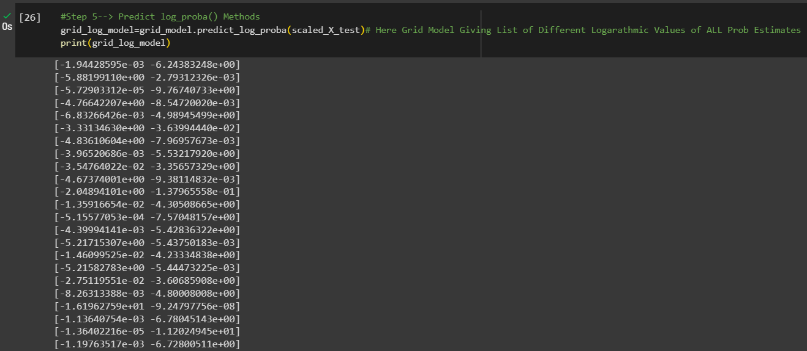 |  |  | ⇰REFERENCE (Website)-->1.9(iv) Google Colab (Support Vector Classifier) (SVC) With Grid Search CV Regarding Practical Implementation of Imperative Methods of predict_log_proba(X)

 |  |  | ⇰REFERENCE (Website)-->Udemy Regarding Practical & Conceptual Understanding of SVC (Support Vector Classifiers)

▣Predict Logarathmic Probability of Probability Estimates at 0th Index or Individual Index Like 0 , 1 , 2 ,3 ,4 .Here In this Case We can See Log Probabilistic Methods at 0th Index. |  |  | ⇰REFERENCE (Website)-->1.9(iv) Google Colab (Support Vector Classifier) (SVC) With Grid Search CV Regarding Practical Implementation of Imperative Methods of predict_log_proba(X[0])

⇰predict_proba(X) & Prediction of New Unknown Data ❶Probability estimates:-The returned estimates for all classes are ordered by the label of classes. ❷Compute probabilities of possible outcomes for samples in X. ❸Classification algorithms usually also offer a way to quantify certainty of a prediction, either using Classification Category in the form of 0 Or 1 .Basically Prediction in terms of it's probability ranges in between value 0 & 1 at 0th index. |  |  | ⇰REFERENCE (Website)-->Scikit Learn Regarding Thereotical & Conceptual Understanding of Various Methods for Support Vector Classifiers (SVC)

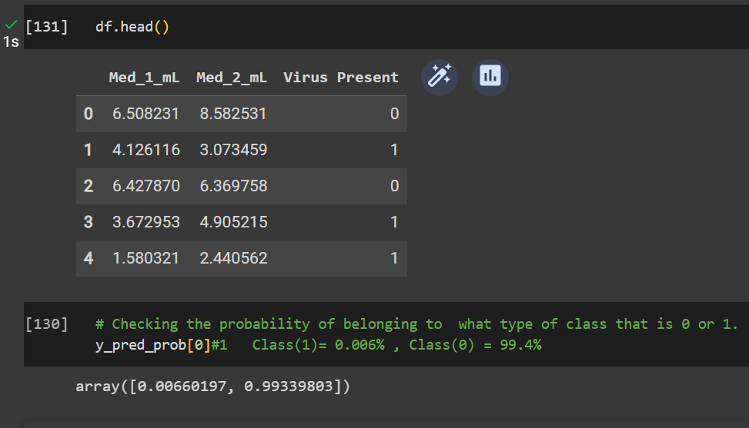 |  |  | ⇰REFERENCE (Website)-->1.9(iv) Google Colab (Support Vector Classifier) (SVC) With Grid Search CV Regarding Practical Implementation & Prediction of New Unknown Data(Singular New Data) & Find out it's Predictibility (0&1).

 |  |  | ⇰REFERENCE (Website)-->Udemy Regarding Practical & Conceptual Understanding of SVC (Support Vector Classifiers)

⇰get_params(deep=True) ❶Get parameters for this estimator. ❷deep:bool, default=True ,If True, will return the parameters for this estimator and contained sub objects that are estimators. Parameter names mapped to their values in dict format . ❸ In 2nd Instance we had seen that we Create get_params by using calling keys & display result in in List Format .

❹Basically in Simple words this param_grid parameter allows you to pass the grid of parameters you are searching. This grid must be formatted as a dictionary with the key corresponding to the specific estimator’s parameter names, and the values corresponding to a list of values to pass for the specific parameters.

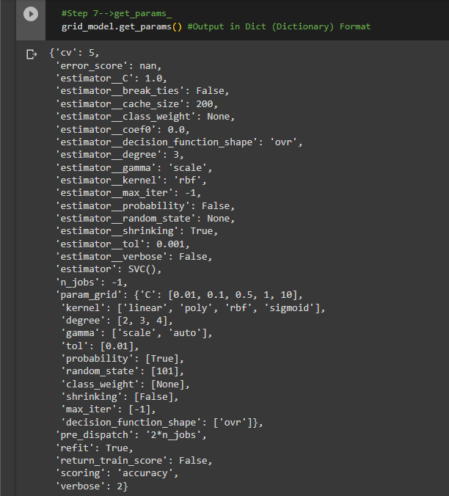 |  |  | ⇰REFERENCE (Website)-->1.9(iv) Google Colab (Support Vector Classifiers) (SVC) With Grid Search CV Regarding Practical Implementation (get_params) in dict format (Methods of Support Vector Classifier (SVC))

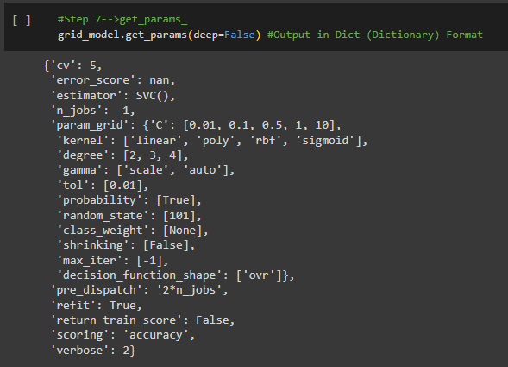 |  |  | ⇰REFERENCE (Website)-->1.9(iv) Google Colab (Support Vector Classifiers) (SVC) With Grid Search CV Regarding Practical Implementation (get_params) in dict format (Methods of Support Vector Classifier (SVC))

 |  |  | ⇰REFERENCE (Website)-->1.9(iv) Google Colab (Support Vector Classifiers) (SVC) With Grid Search CV Regarding Practical Implementation (get_params) in keys format (Methods of Support Vector Classifier (SVC))

⇰set_params(params) ❶Set the parameters of this estimator . ❷In simple words set_params (Setting or Readjusting any Hyper Parameter again with New Param) ,We can Perform Readjustment or Reconfiguration of any Hyper Parameter for Given Model & then Re-run the Model.

❸Basically in upcoming Example We can see changes in set_params (n_jobs=>-1) to (n_jobs=>1) & (verbose=>2) to (verbose=>1) If we do comparison against Previous model.get_params() we can see those changes.

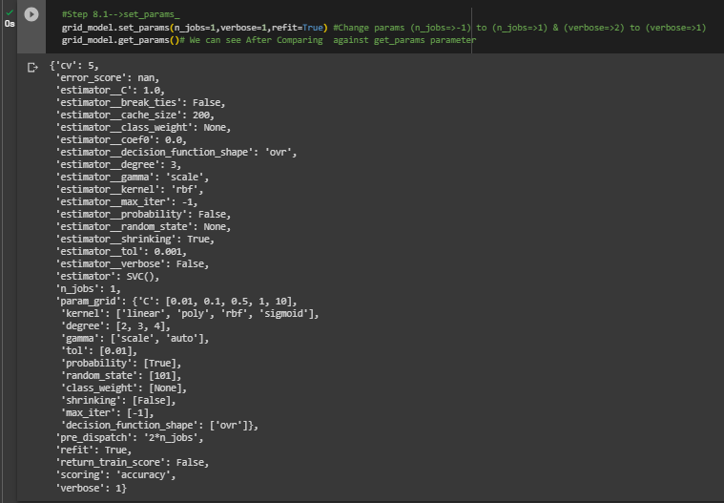 |  |  | ⇰REFERENCE (Website)-->1.9(iv) Google Colab (Support Vector Classifiers) (SVC) With Grid Search CV Regarding Practical Implementation (set_params) in dict format (Methods of Support Vector Classifier (SVC))

 |  |  | ⇰REFERENCE (Website)-->1.9(iv) Google Colab (Support Vector Classifiers) (SVC) With Grid Search CV Regarding Practical Implementation (set_params) in keys format (Methods of Support Vector Classifier (SVC))

⇰decision_function(X) |  |  | ⇰REFERENCE (You Tube)-->Visually Explained Regarding Practical & Conceptual Understanding of Kernel Trick in Support Vector Machine (SVM)
❶Evaluate the decision function for the samples in X. ❷Basically in Simple Words According to Stackoverflow The decision function tells us on which side of the hyperplane generated by the classifier we are (& how far we are away from it) Based on that information, the estimator then label the examples with the corresponding label.

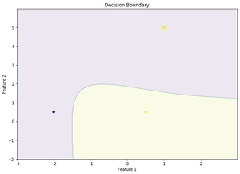 ❸According to Geek for Geek Decision function is a method present in classifier { SVC, Logistic Regression} class of sklearn machine learning framework. This method basically returns a Numpy array, In which each element represents whether a predicted sample for x_test by the classifier lies to the right or left side of the Hyperplane and also how far from the HyperPlane. It also tells us that how confidently each value predicted for x_test by the classifier is Positive ( large-magnitude Positive value) or Negative ( large-magnitude Negative value).
 |  |  | ⇰REFERENCE (Website)-->Geeks for Geeks Regarding Thereotical & Conceptual Understanding of Decision Function | ⇰REFERENCE (Website)-->Analytics Vidhya Regarding Practical & Conceptual Understanding of Support Vector Machines (SVM)

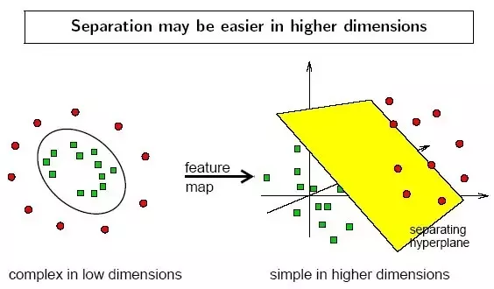 | 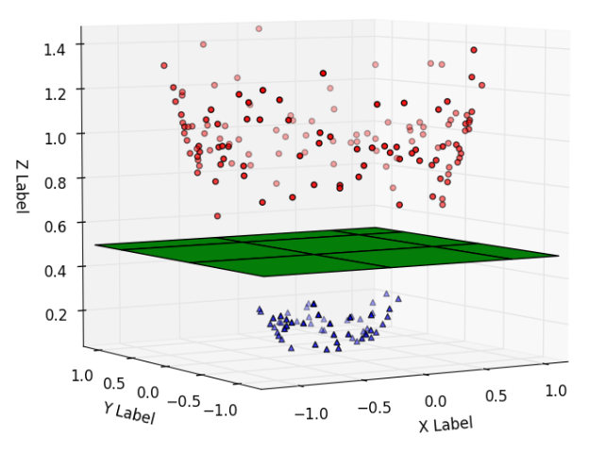 |  | ⇰REFERENCE (Website)-->1.9(iv) Google (Support Vector Classifiers) (SVC) With Grid Search CV Regarding Practical Implementation (decision_function) in dict format (Methods of Support Vector Classifier (SVC)) | ⇰REFERENCE (Website)-->Medium Regarding Thereotical & Conceptual Understanding of Support Vector Machine (SVM)

 |  |  |  | ⇰REFERENCE (You Tube)-->Visually Explained Regarding Practical & Conceptual Understanding of Kernel Trick in Support Vector Machine (SVM)

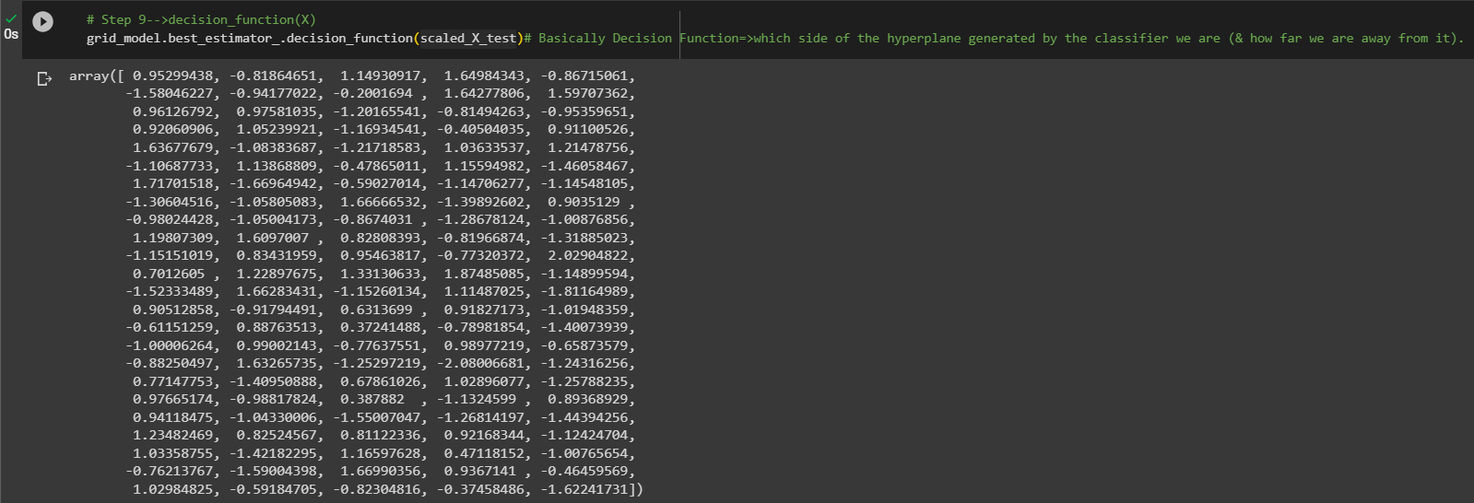
 |  |  | ⇰REFERENCE (Website)-->1.9(iv) Google Colab (Support Vector Classifiers) (SVC) With Grid Search CV Regarding Practical Implementation (decision_function) in dict format (Methods of Support Vector Classifier (SVC))

»get_scorer_names ⇰sklearn.metrics.get_scorer_names()

❶Get the names of all available scorers.These names can be passed to get_scorer to retrieve the scorer object.. ❷get_scorer_names is typically a method or function found in machine learning libraries, particularly ones like scikit-learn, where it provides a list of available scoring metrics that can be used to evaluate the performance of a model.When you’re optimizing a model, you might want to compare different metrics or choose a specific metric to focus on. Using get_scorer_names ensures you know all the valid metrics available in the library. |  | 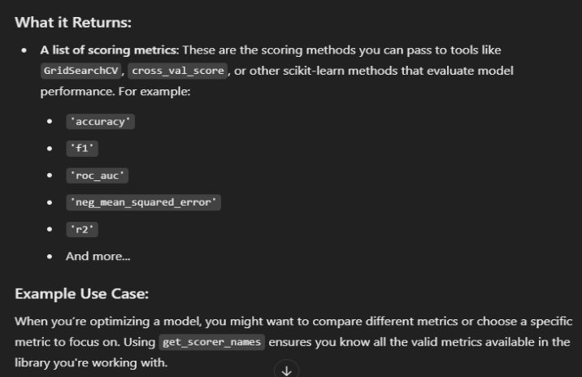 | ⇰REFERENCE (Website)-->Scikit Learn Regarding Metric Scoring Or Various Types of Metric Scoring

 |  |  | ⇰REFERENCE (Website)-->Scikitlearn Regarding Conceptual Understanding of Various Methods⇒ get_scorer_names

 |  |  | ⇰REFERENCE (Website)-->Scikit Learn Regarding Theroetical & Conceptual Understanding of Various Methods for Support Vector Classifiers (SVC) | ⇰REFERENCE (Website)-->Udemy Regarding Practical & Conceptual Understanding of SVC (Support Vector Classifiers)

 |  |  | ⇰REFERENCE (Website)-->1.9(iv) Google Colab (Support Vector Classifiers) (SVC) With Grid Search CV Regarding Practical Implementation of Methods of get_scorer_names

»make_scorer ⇰sklearn.metrics.make_scorer(score_func, *, response_method=None, greater_is_better=True, needs_proba='deprecated', needs_threshold='deprecated', **kwargs)[source]

❶Return the mean accuracy on the given test data and labels. ❷make_scorer⇒ is a utility function in scikit-learn that allows you to turn a custom evaluation metric (A Python function) into a scorer object that can be used for model evaluation, hyperparameter tuning, and cross-validation. It essentially wraps your function into a form that the scikit-learn ecosystem understands.Return the mean accuracy on the given test data & labels. ❸Scorer Metric is used for the purpose for finding what kind of evaluation Criteria is used in Given Data set for the purpose of Finding Out the Error & In this case it is 'accuracy' in AdaBoosting Classifiers. ❹Basically in upcoming example Performance Eval Metric => 'Accuracy' means Correct Prediction=>1.00=>100% & (Remaining Incorrect Prediction (Error) =>0.0=>0%) . |  | 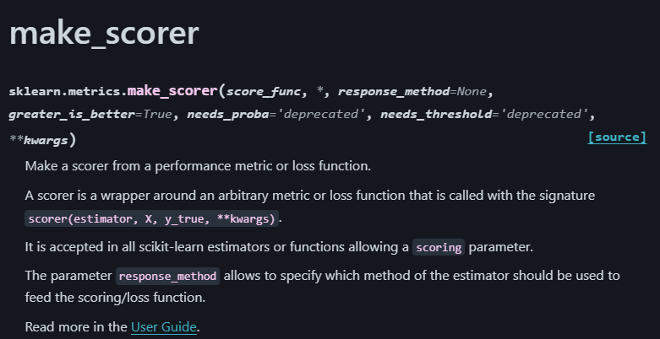 | ⇰REFERENCE (Website)-->Scikit Learn Regarding Metric Scoring Or Various Types of Metric Scoring

 |  |  | ⇰REFERENCE (Website)-->Scikitlearn Regarding Conceptual Understanding of Various Methods For make_scorer

 |  | 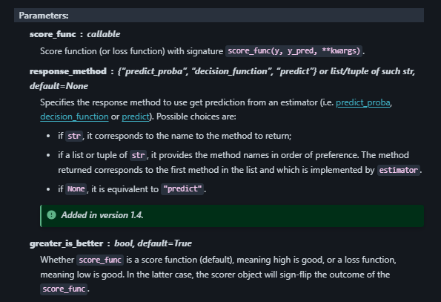
»Example 1: Custom Scorer for Precision
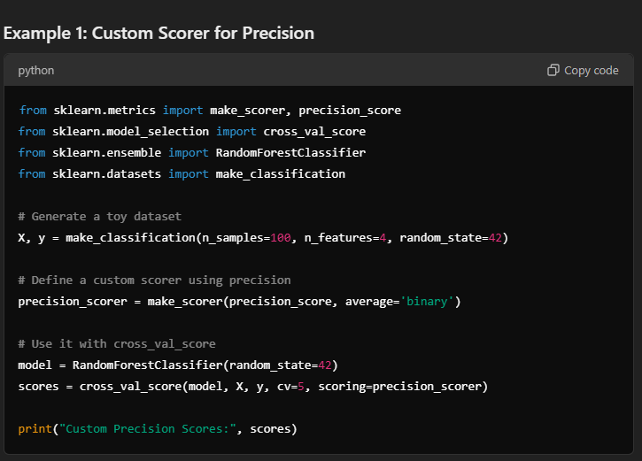

 |  | 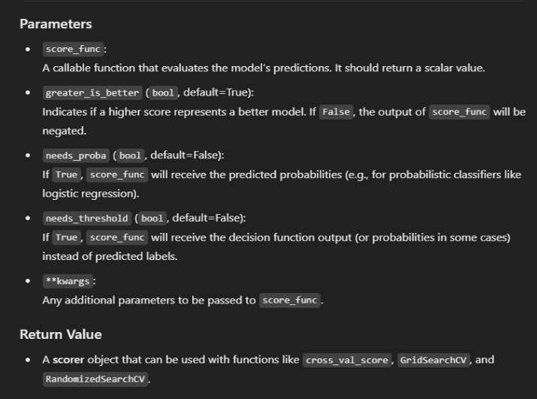
»Example 2: Using Custom Function for scoring |  |  | ⇰REFERENCE (Website)-->Udemy Regarding Practical & Conceptual Understanding of SVC (Support Vector Classifiers)
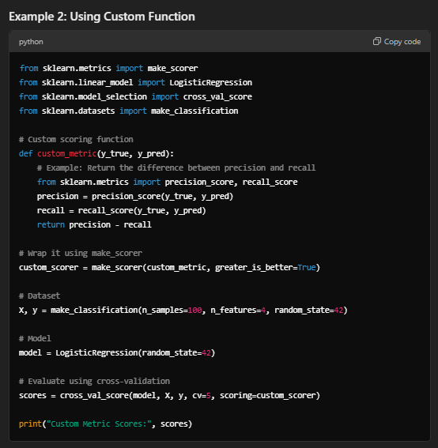

 |  |  | ⇰REFERENCE (Website)-->Scikit Learn Regarding Theroetical & Conceptual Understanding of Various Methods for Support Vector Classifiers (SVC)

⇒score.response_method('decision_function') OR ('predict_proba') for classification Dataset ❶Specifies how to obtain predictions from the model. ❷By default, response_method='predict' is used for regression models. It calls the predict method of the estimator. ❸(Decision_Function)⇒ method basically returns a Numpy array, In which each element represents whether a predicted sample for x_test by the classifier lies to the right or left side of the Hyperplane & also how far from the HyperPlane. ❹ (predictproba)⇒Classification algorithms usually also offer a way to quantify certainty of a prediction, either using Classification Category in the form of 0 Or 1.Basically Prediction in terms of it's probability ranges in between value 0 & 1 at 0th index. |  |  | ⇰REFERENCE (Website)-->Scikitlearn Regarding Glossary of Common Terms make_scorer.response_method (decision_function) | ⇰REFERENCE (Website)-->Scikitlearn Regarding Glossary of Common Terms make_scorer.response_method (predict_proba)

 |  |  | ⇰REFERENCE (Website)-->Scikitlearn Regarding Conceptual Understanding of Various Methods For make_scorer

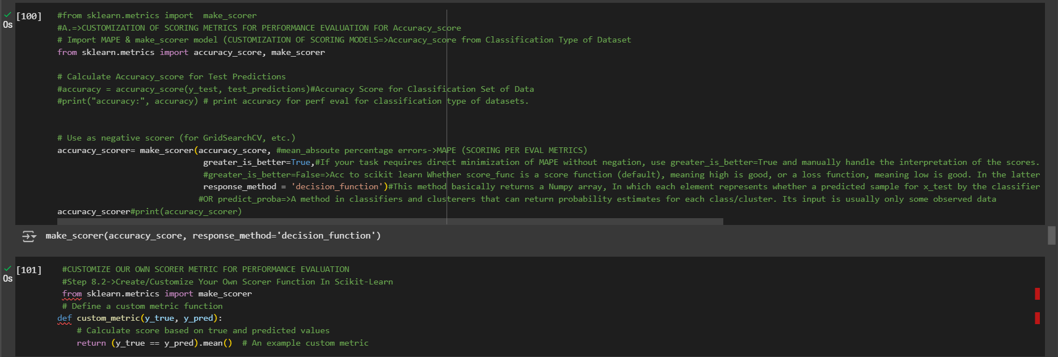

 |  |  | ⇰REFERENCE (Website)-->1.9(iv) Google Colab Support Vector Classifiers (SVC) With Grid Search CV Regarding Practical Implementation of Imperative Methods of make_scorer

 |  |  | ⇰REFERENCE (Website)-->Udemy Regarding Practical & Conceptual Understanding of SVC (Support Vector Classifiers)

 |  |  | ⇰REFERENCE (Website)-->Scikit Learn Regarding Theroetical & Conceptual Understanding of Various Methods for Support Vector Classifiers (SVC)

3.Attributes of SVC

▣ ATTRIBUTES FOR SUPPORT VECTOR CLASSIFIER (SVC) |  | REFERENCE

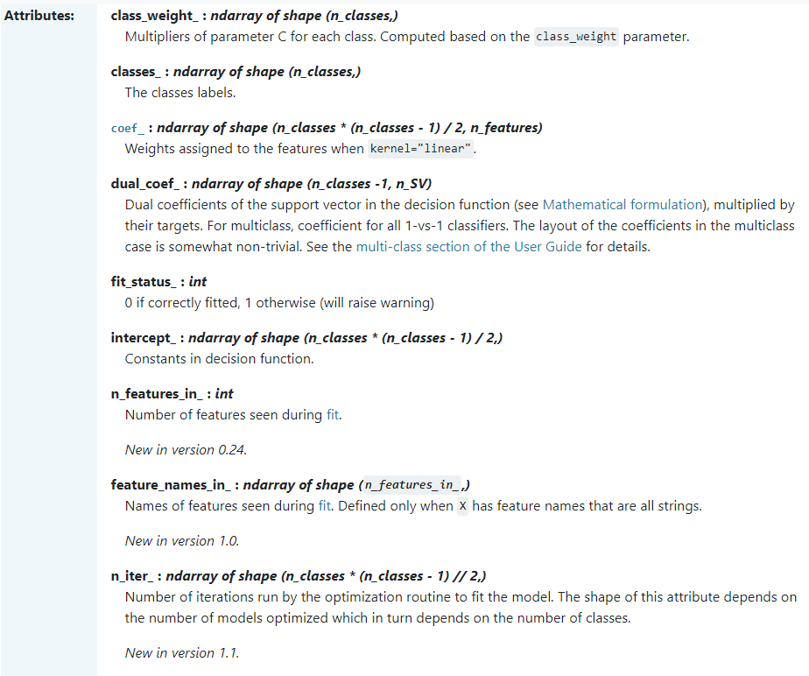 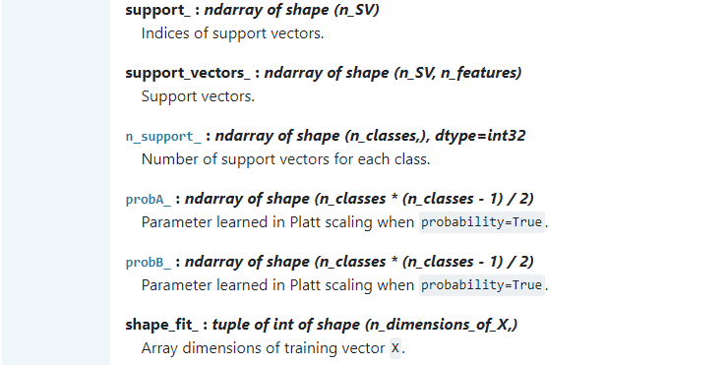 |  | ⇰REFERENCE (Website)-->Scikit Learn Regarding Thereotical & Conceptual Understanding of Various Attributes of Support Vector Classifiers (SVC)

 |  | ⇰REFERENCE (Website)-->Udemy Regarding Practical & Conceptual Understanding of SVC (Support Vector Classifiers)

 |  | ⇰REFERENCE (Website)-->Udemy Regarding Practical & Conceptual Understanding of SVC (Support Vector Classifiers)

⇰classes_ndarray of shape (n_classes, ) ❶The classes label ❷A list of class labels known to the classifier. ❸Basically in Simple Words Various Classified Labels (Dependent Variable) --> (0&1) While (0) signifies false test result , (1) signifies positive test result.

 |  | ⇰REFERENCE (Website)-->1.9(iv) Google Colab (Support Vector Classifiers) (SVC) With Grid Search CV Regarding Practical Implementation of Attributes (classes_) of SVC (Support Vector Classifier)

⇰n_features_in_:int ❶Number of features seen during fit. In Simple Words Number of features seen during fit . Only defined if best_estimator_ is defined (see the documentation for the refit parameter for more details) and that best_estimator_ exposes feature_names_in_ when fit. ❷Basically in Simple Words Number of Feature (Independent Variable) that Given Dataset have For Example In this Given Dataset There is Only 2 Features That is [Med_1_ML],[Med_2_ML].

 |  | ⇰REFERENCE (Website)-->1.9(iv) Google Colab (Support Vector Classifiers) (SVC) With Grid Search CV Regarding Practical Implementation of Attributes (n_features_in_) of SVC (Support Vector Classifier)

 |  | ⇰REFERENCE (Website)-->1.9(iv) Google Colab (Support Vector Classifiers) (SVC) With Grid Search CV Regarding Practical Implementation of Attributes (feature_names_in_) of SVC (Support Vector Classifier)

⇰feature_names_in_:ndarray of shape (n_features_in_,) ❶Names of features seen during fit By Calling Instance=>scaler=Standard_Scaler. Defined only when X has feature names that are all strings & Precede to Feature Scaling Otherwise Due to Feature Scaling it will create Multiple Features. Basically in Other Word it Defines the Names of All Features (Independent Variable) (X1 [Med_1_Ml] ,X2[Med_2_ML] That are Available in the Given Dataset.

 |  | ⇰REFERENCE (Website)-->Analytics Vidhya Regarding Thereotical & Conceptual Understanding of Attributes of class_weight | ⇰REFERENCE (Website)-->Scikit Learn Regarding Thereotical & Conceptual Understanding of Various Attributes of Support Vector Classifiers (SVC)
⇰class_weight_ndarray of shape (n_classes,) ❶Multipliers of parameter C for each class. Computed based on the class_weight parameter. ❷As H.Param class_weights help to set parameter C of class i to class_weight[i]*C for SVC. ❸ According to Analytics Vidhya Class imbalance occurs when one class significantly outweighs the other regarding data samples, leading to biased predictions.

 |  | ⇰REFERENCE (Website)-->1.9(iv) Google Colab Support Vector Classifiers (SVC) With Grid Search CV Regarding Practical Implementation of Attributes (class_weight) of SVC (Support Vector Classifier)

 |  |  | ⇰REFERENCE (Website)-->Udemy Regarding Practical & Conceptual Understanding of SVC (Support Vector Classifiers)

⇰coef_:ndarray of shape (n_classes * (n_classes - 1) / 2, n_features) |  | ⇰REFERENCE (Website)-->Geeks for Geeks Regarding Thereotial Definition & Meaning of Polynomial Regression
❶Weights assigned to the features when kernel="linear".Basically m in Y=mx+c is Slope. ❷coef_ gives you an array of weights estimated by linear regression. It is of shape (n_targets, n_features). In your case it is 1D array as you only have one target.In your case weights has huge values, make sure you normalize your features and use regularization for your model. ❸Coef_ In (Simple Term)--> linear regression, coefficients are the values that multiply the predictor values. Suppose you have the following regression equation: y = 3X + 5. In this equation, +3 is the coefficient, X is the predictor, and +5 is the constant. ❹Basically Acc to me Coef_mean Importance of Each & Every Feature (x1 ,x2,x3) or Effectiveness of particular feature on Output (y).In other word Propensity change in (x1,x2,x3) Independent Variable that makes change in y (Output) (Dependent Variable). | 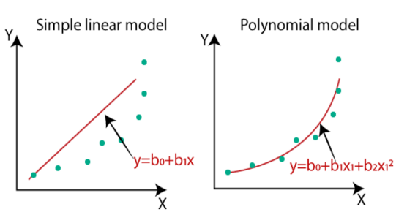 |  | ⇰REFERENCE (Website)-->Stackoverflow Regarding Conceptual & Practical Understanding of coef_ value for Linear Regression

 |  | ⇰REFERENCE (Website)-->Analytics Vidhya Regarding Thereotical Definition of Polynomial Regression

 |  |  | ⇰REFERENCE(Website)->Statistics By Jim Regarding Attribute (coef_)
 | 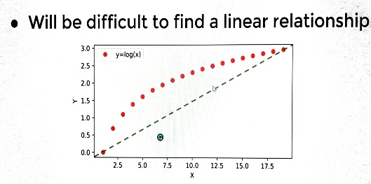

 |  | ⇰REFERENCE (Website)-->Java T Point Regarding Thereotical Definition & Figurative Illustration in Polynomial Regression

 |  |  | ⇰REFERENCE(Website)->MiniTab21 (Thereotical Obviously For Understanding Purpose) By Jim Regarding Attribute (coef_)

 |  | ⇰REFERENCE (Website)-->1.9(iv) Google Colab Support Vector Classifiers (SVC) With Grid Search CV Regarding Practical Implementation of Attributes (coef_) of SVC (Support Vector Classifier)

⇰intercept_ndarray of shape (n_classes * (n_classes - 1) / 2,)

❶Constants in decision function Basically (c) in (Y=mx+c) is Constant Function. ❷Basically in Simple Words Independent term in the linear model. Set to 0.0 if fit_intercept = False. In other word if Parameter intercept =False then Intercept =0. First Understand What is Intercept Means ▣The Slope and Intercept are the very important concept of Linear regression. ▣The Slope indicates the steepness of a line and the intercept indicates the location where it intersects an axis. ▣If we set the Intercept as False then, no intercept will be used in calculations (e.g. data is expected to be already centered). | 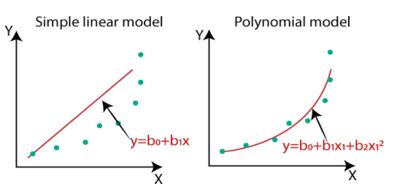

 |  | ⇰REFERENCE(Website)->Stackoverflow Regarding Attribute(intercept_)

 |  | ⇰REFERENCE(Website)->The Analysis Factor Regarding Attribute(intercept_)

 |  | ⇰REFERENCE (Website)-->1.9(iv) Google Colab Support Vector Classifiers (SVC) With Grid Search CV Regarding Practical Implementation of Attributes (intercept_) of SVC (Support Vector Classifier)

 |  |  | ⇰REFERENCE (Website)-->Scikit Learn Regarding Thereotical & Conceptual Understanding of Various Attributes of Support Vector Classifiers (SVC)
⇰fit_status_int
❶0 if correctly fitted, 1 otherwise (WILL RAISE WARNING). ❷Basically in Simple Word If Our (SVC Model + Grid Search CV) is correctly fitted with no Exception & Error Then fit_status=0 Othewise fit_status=1 & Will Raise WARNING COMMAND. ❸Basically in Upcoming Example We can see fit_status=0 Means No error in Our (SVC+ Grid Search CV Model's best_estimator's Model) While Fitting.

 |  | ⇰REFERENCE (Website)-->1.9(iv) Google Colab Support Vector Classifiers (SVC) With Grid Search CV Regarding Practical Implementation of Attributes (fit_status) of SVC (Support Vector Classifier)

 |  |  | ⇰REFERENCE (Website)-->Udemy Regarding Practical & Conceptual Understanding of SVC (Support Vector Classifiers)

⇰n_iter_ndarray of shape (n_classes * (n_classes - 1) // 2,)
❶Number of iterations run by the optimization routine to fit the model. The shape of this attribute depends on the number of models optimized which in turn depends on the number of classes. ❷Basically in Simple Words Overall No of Iteration of Various Parameter in (SVC + Grid Search CV Model) for Model to Fully Optimized Or Fully Converge So that it Properly Fit the Model. ❸Basically in Simpler Words In Upcoming Example In Our (SVC + Grid Search CV Model) Our Model Run 49 Iteration to Find Best Estimator With Proper Tuned Up Hyper Parameter.

 |  | ⇰REFERENCE (Website)-->1.9(iv) Google Colab Support Vector Classifiers (SVC) With Grid Search CV Regarding Practical Implementation of Attributes (n_iter) of SVC (Support Vector Classifier)

⇰support_ndarray of shape (n_SV)
❶Indices Or Indexes of support vectors For Best Estimator 's (SVC + Grid Search CV) 's Model
❷Basically in Simple Words Support vectors are data points that are closer to the hyperplane & influence the position & orientation of the hyperplane.Using these support vectors, we maximize the margin of the classifier. Deleting the support vectors will change the position of the hyperplane. These are the points that help us build our SVM. (REFERENCE ATTACHED=>2.8(i) (Excel) (Theory of SVM) | 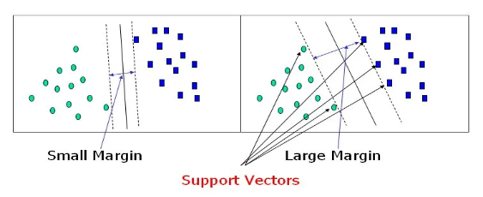 | ⇰REFERENCE (Website)-->Towards Data Science Regarding Thereotical & Conceptual Understanding of SV (Support Vectors) & Overall Understanding of SVM (Support Vector Machines)

 |  | ⇰REFERENCE (Website)-->1.9(iv) Google Colab Support Vector Classifiers (SVC) With Grid Search CV Regarding Practical Implementation of Attributes (support_) of SVC (Support Vector Classifier)

⇰support_vectors_ndarray of shape (n_SV, n_features)
❶List of Support vectors.
❷Basically in Simple Words Support vectors are data points that are closer to the hyperplane and influence the position & orientation of the hyperplane. Using these support vectors, we maximize the margin of the classifier. Deleting the support vectors will change the position of the hyperplane. These are the points that help us build our SVM. (REFERENCE ATTACHED=>2.8(i) (Excel) (SVC)
 |  | ⇰REFERENCE (Website)-->Towards Data Science Regarding Thereotical & Conceptual Understanding of SV (Support Vectors) & Overall Understanding of SVM (Support Vector Machines)

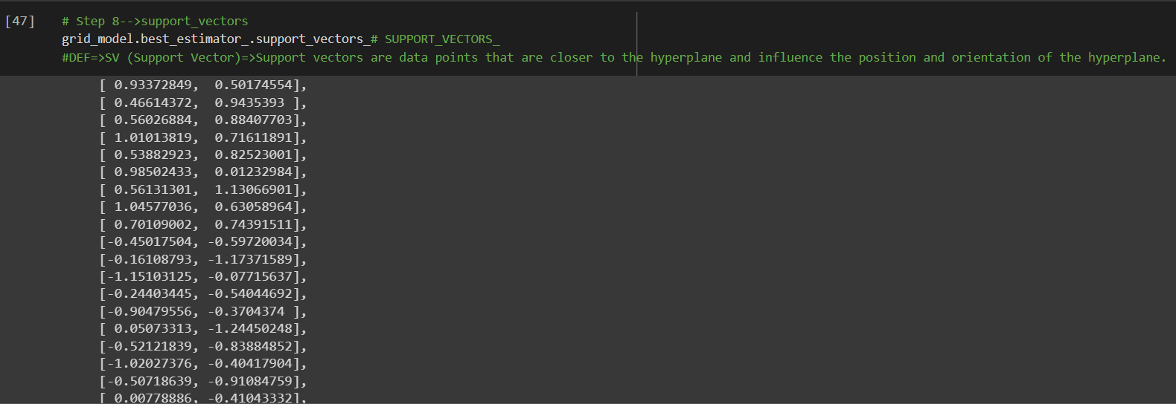

 |  | ⇰REFERENCE (Website)-->1.9(iv) Google Colab Support Vector Classifiers (SVC) With Grid Search CV Regarding Practical Implementation of Attributes (support_vectors_) of SVC (Support Vector Classifier)

⇰shape_fit_tuple of int of shape (n_dimensions_of_X,) |  | ⇰REFERENCE (Website)-->1.9(iv) Google Colab Support Vector Classifiers (SVC) With Grid Search CV Regarding Practical Implementation of Attributes (shape_fit_) of SVC (Support Vector Classifier)
❶Array dimensions of training vector X.

»get_scorer_names ⇰sklearn.metrics.get_scorer_names()
 |  | ⇰REFERENCE (Website)-->Scikitlearn Regarding Conceptual Understanding of Various Methods⇒ get_scorer_names
❶Get the names of all available scorers.These names can be passed to get_scorer to retrieve the scorer object.. ❷get_scorer_names is typically a method or function found in machine learning libraries, particularly ones like scikit-learn, where it provides a list of available scoring metrics that can be used to evaluate the performance of a model.When you’re optimizing a model, you might want to compare different metrics or choose a specific metric to focus on. Using get_scorer_names ensures you know all the valid metrics available in the library.

 |  | ⇰REFERENCE (Website)-->Scikit Learn Regarding Metric Scoring Or Various Types of Metric Scoring

4.TRAIN|TEST|SPLIT
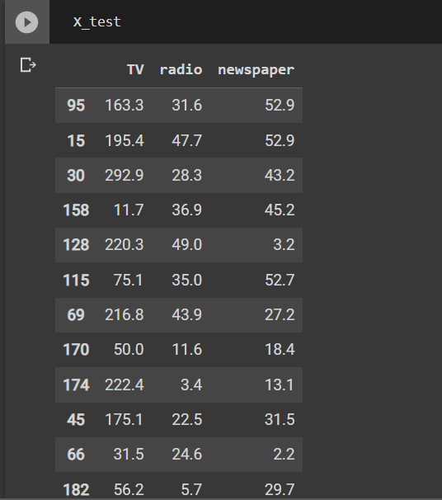
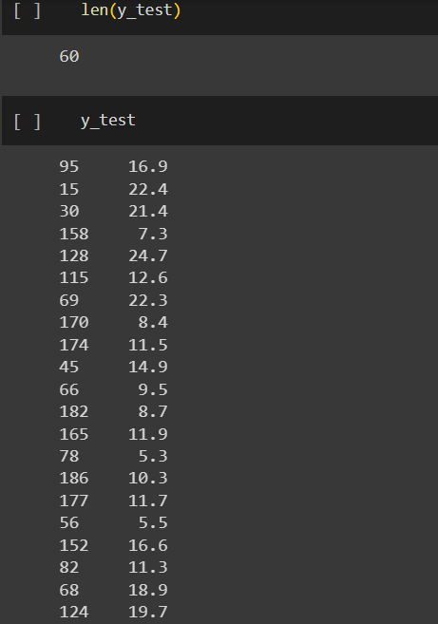
TRAIN | TEST | SPLIT

⇰REFERENCE (WEBSITE)-->Udemy Regarding Train_Test_Split
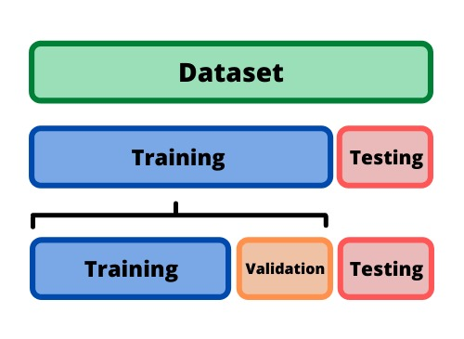 ⇰DEFINITION OF TRAIN-TEST-SPLIT →To fairly evaluate my model's performance, I don't want to evaluate it on the same data it was trained at. First we separates out the features and then it separates out the labels Further we'll separate out a training set and a test set Which Further Subdivide into 4 Components --> X train and Y train and then X test and y test the weights.

PARAMETERS FOR TRAIN | TEST | SPLIT | REFERENCE

⇰X_train→X_train Contains the Values of The Features (X1(Newspaper) ,X2(Radio) , X3(Television) This includes your all independent variables,these will be used to train the model, also as we have specified the test_size = 0.4, this means 60% of observations from your complete data will be used to train/fit the model and rest 40% will be used to test the model. | ⇰REFERENCE (Website)--> Stackoverflow Regarding TRAIN-TEST-SPLIT

⇰X_test→This is remaining 40% portion of the independent variables [Features(X1(Newspaper) ,X2(Radio) , X3(Television)] from the data which will not be used in the training phase and will be used to make predictions to test the accuracy of the model.
 | ⇰REFERENCE (Website)-> Stackoverflow Regarding TRAIN-TEST-SPLIT

⇰y_train→This is your dependent variable which needs to be predicted by this model, this includes category labels against your independent variables (Output =Total Sales), we need to specify our dependent variable while training/fitting the model.

 | ⇰REFERENCE (Website)-->(1.2) Google Colab Linear Regression Regarding Practical Implementation (Coding) of TRAIN | TEST SPLIT
⇰y_test→This data has category labels (Dependent Variable) (Output = Total Sales) for your test data, these labels will be used to test the accuracy between actual and predicted categories.

⇰test_size→test_size is the number that defines the size of the test set. It's very similar to train_size . You should provide either train_size or test_size . If neither is given, then the default share of the dataset that will be used for testing is 0.25 , or 25 percent. Especially in This Case test_size is 0.3 or 30% of Total Data Size.
 | ⇰REFERENCE (Website)-> Scikit Learn Regarding TRAIN-TESTS-SPLIT

⇰Random_state →Random_state is used to set the seed for the random generator so that we can ensure that the results that we get can be reproduced. Because of the nature of splitting the data in train and test is randomised you would get different data assigned to the train and test data unless you can control for the random factor. ↔Example-->For example, imagine you have numbers: 1,2,3,4,5 and you want to select two random numbers. Without using a random_state you would get different things: i.e. first 2,5 then 3,4 and so on.When you control the random generator by setting the random state to 0, 1 or another number, everyone would get the same random numbers generated: i.e random_state=1 then the random numbers are 1,3 and everyone who will pick two random numbers using random_state=1 from 1,2,3,4,5 will get the same two numbers as you: 1,3. →The random state hyperparameter is used to control any such randomness involved in machine learning models to get consistent results. We can use cross-validation to mitigate the effect of randomness involved in machine learning models. →Reason For Random State Usage--> ❶. We need t
 | ⇰REFERENCE (Website)-> Real Python Regarding TRAIN-TESTS-SPLIT

 | ⇰REFERENCE (Website)--> Geeks For Geeks Regarding Practical Impelentation (Coding) of TRAIN | TEST SPLIT

 | ⇰REFERENCE (Website)-> Scikit Learn Regarding TRAIN-TESTS-SPLIT

 | ⇰REFERENCE (Website)-> Real Python Regarding TRAIN-TESTS-SPLIT

⇰Shuffle Split→shuffle is the Boolean object (True by default) that focus on whether to shuffle the dataset before applying the split. →Reason For Random State Usage--> ❶The other reason that we have a random state here is because what Sk learn is going to do when it calls train test split is it's actually going to shuffle the arrays first.So you'll notice here that it actually is calling a shuffle split.That's why main reason it's calling a shuffle split. ❷If we See almost any Data set We can tell that more or less my data appears to be in no sort of sorted order.But for other data sets, it's not uncommon that when you read it in, it's actually already sorted for you. What we don't want to do is if our data set is in some sort of order or sorted is grab the first 70% of the rows for the train set and then the last 30% for the test set. Instead, we want to make sure that we shuffle everything first and then grab the 70% and 30%.That way I don't have an accidentally ordered data set and the test set happens to be all the highest sales and the training set is the lowest 70% of sales. That could be really dangerous as far as fairly evaluating and training your model. So instead we just alleviate any issues of that by shuffling the data set first.

 | ⇰REFERENCE (Website)-->(1.2) Google Colab Linear Regression Regarding Practical Implementation (Coding) of TRAIN | TEST SPLIT

 | ⇰REFERENCE (Website)-->(1.3) Google Colab (Polynomial Regression) Regarding Practical Implementation (Coding) of TRAIN | TEST SPLIT

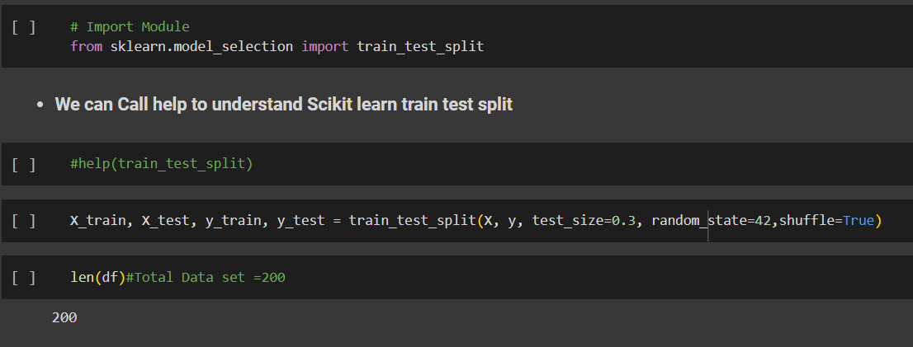 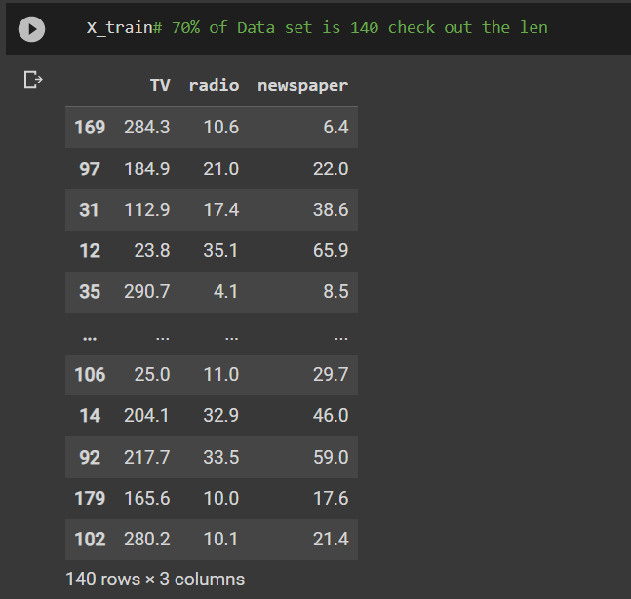 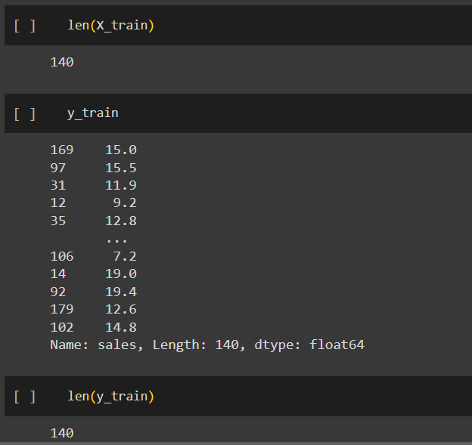 | ⇰REFERENCE (Website)-->(1.2) Google Colab Linear Regression Regarding Practical Implementation (Coding) of TRAIN | TEST SPLIT

 | ⇰REFERENCE (Website)-->(1.3) Google Colab (Polynomial Regression) Regarding Practical Implementation (Coding) of TRAIN | TEST SPLIT

5.FEATURE SCALING
2. (THEREOTICAL) FEATURE SCALING | REFERENCE

①What is Feature Scaling ? | ⇰REFERENCE (Website)-->Udemy Regarding Definition & Meaning & Definition as well as benefits of Feature Scaling
⇰Many machine learning algorithms perform better when numerical input variables are scaled to a standard range.This includes algorithms that use a weighted sum of the input, like linear regression, and algorithms that use distance measures, like k-nearest neighbors.

②What is Scale Invariance ? | ⇰REFERENCE (Website)-->Wikipedia Regarding Definition & Meaning of Scale Invariance
⇰In physics, mathematics and statistics, scale invariance is a feature of objects or laws that do not change if scales of length, energy, or other variables, are multiplied by a common factor, and thus represent a universality.

 | ⇰REFERENCE (You Tube)-->Feature Scale Importance For Gradient Descent By Priyanshu Vats
③Benefits of Feature Scaling ?
❶The most important benefit is that feature scaling improves the convergence of the steepest descent algorithms & what we mean by that are algorithms like gradient descent in trying to minimize the lost function.Those gradient descent algorithms do not possess the property of Scale Invariance.

 | ⇰REFERENCE (You Tube)-->Code Basics(Hindi) Regarding Overall Thereotical Definition & Practical Implementation (Coding) of Cost Function or Line of Best Fit

❷So what we mean by that is that if you have features that are on different scales and you're trying to use something like gradient descent to figure out the optimal coefficients, certain weights for those coefficients may update faster than others, since the feature values may play a role in those coefficient or weight updates.

❸Essentially what we mean is, if you can imagine gradient descent in multiple dimensions and you have some features on much different or much larger scales than others, then the weights that are being restricted to those really large scales are going to take longer to update than the scales for features that are much smaller & so what you want is that all the features are on roughly the same scale.
 | ⇰REFERENCE (You Tube) --> Krishna Naik Regarding Overall Implementation & Def & Why and When Should we Perform Feature Normalization?

❹That way, the gradient descent as far as the convergence of the optimal coefficients or weights can take around the same amount of time for each of those features.So that really is the critical benefit of feature scaling.
 | ⇰REFERENCE (Website)--> Scikit Learn Regarding Practical Implementation & Definition of Feature Scaling (Especially Standard Scaler)

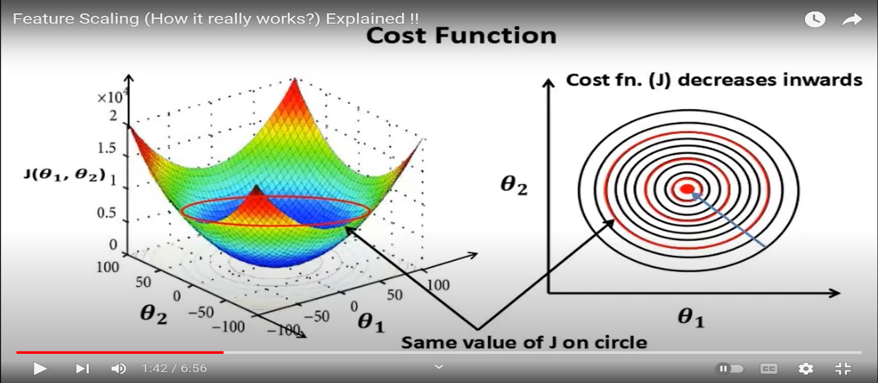

 | ⇰REFERENCE (Website)-->Udemy Regarding Definition & Meaning & Definition as well as benefits of Feature Scaling

 | ⇰REFERENCE (You Tube)-->Feature Scale Importance For Gradient Descent By Priyanshu Vats

 | ⇰REFERENCE (You Tube)-->Code Basics(Hindi) Regarding Overall Thereotical Definition & Practical Implementation (Coding) of Cost Function or Line of Best Fit

④Caveats (Warning) of Using Feature Scaling in Various Models ?

⇰Must Always Scale new Unseen data Before Feeding to Model. ⇰Effect Direct Interpretability of Feature Coefficients. ❶Easier to Compare coefficients to one another , harder to relate back to original unscaled feature

 | ⇰REFERENCE (Website)-->Geeks For Geeks Regarding ML | Feature Scaling – Part 2

B. TYPES OF FEATURE SCALING | REFERENCE

①STANDARDIZATION (Standard Scaler) Or Z score Normalization | ⇰REFERENCE (Website)--> Scikit Learn Regarding Practical Implementation & Definition of Feature Scaling (Especially Standard Scaler)
⇰Standardization Rescales data to have a mean that is mu of 0 and a standard deviation of 1, which means you're essentially standardizing all your data to follow a standard normal distribution so you could have negative values there. Name Sake Can be confusing since this also referred as Z score normalization ⇰Name Sake Can be confusing since this also referred as Z score normalization ⇰Standardization scales each input variable separately by subtracting the mean (called centering) and dividing by the standard deviation to shift the distribution to have a mean of zero and a standard deviation of one. ⇰In Simple Words Standardization Mean Rescaling Data to have mean (μ) of 0 & Standard Deviation (σ) of 1 Unit Variance) .

 | ⇰REFERENCE (Website)-->Udemy Regarding Definition & Meaning & Definition as well as benefits of Feature Scaling

 | ⇰REFERENCE (Website)-->Machine Learning Mastery Regarding Thereotical & Practical (Coding) Implementation Regarding Meaning & Understanding of 1st Types of Feature Scaling That is Standardization
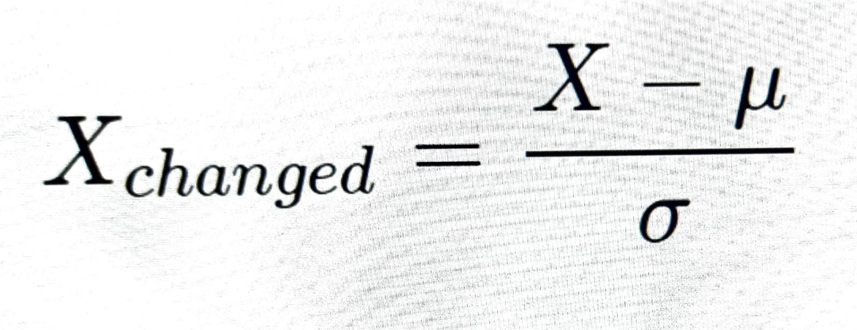

 | ⇰REFERENCE (You Tube)-->Feature Scale Importance For Gradient Descent By Priyanshu Vats

 | ⇰REFERENCE (You Tube)-->Code Basics(Hindi) Regarding Overall Thereotical Definition & Practical Implementation (Coding) of Cost Function or Line of Best Fit
❶PRACTICAL IMPLEMENTATION OF PLOTTING TYPES OF FEATURE SCALING (STANDARDIZATION) IN 1.3 POLYNOMIAL REGRESSION & FEATURE SCALING

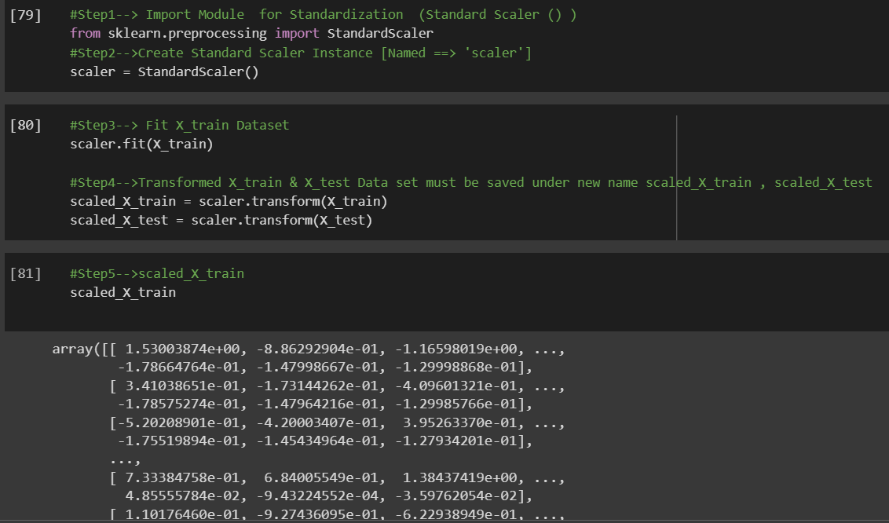

 | ⇰REFERENCE (Website) --> 1.3 Google Colab (Polynomial Regression & Feature Scaling) Regarding Practical Implementation & (Coding) 1st Types of Feature Scaling That is == (Standardization) Standard Scaling

 | ⇰REFERENCE (Website)-->Analytics Vidhya Regarding Meaning of Feature Scaling & Types of Feature scaling 1. Standardization 2.Normalization

 | ⇰REFERENCE (Website)-->Scikit Learn Regarding Practical Implementation & Definition of Feature Scaling (Especially Min-Max Scaler)

